Max exp.time Calculator
 |  |  |  | Insert Data
 |  |  |  | Select the Unit

 | MAXIMUM EXPOSURE TIME CALCULATOR

 | Field of View (FOV in direction of motion) |  | mm
 | Camera Resolution (# of pixels across FOV) |  | pixel
 | Speed |  | mm/s

 | Maximum exposure time (Max exp. time) | - | us

*Description
Formula:
 | Pixel blur : Speed x Max exp. time x ( Camera Resolution / FOV )

Pixel Blur : Movement of an object during exposure across pixels
Image turns out blur when object moves relative to the sensor and in turn moving across 2 or more pixels during exposure time
You cannot visibly notice when the pixel blur is less than 1
* Pixel Blur = 1 during the calculation
(Maximum exposure time : The exposure time that obtain maximum 1 pixel blur)

Field of View : Use FOV in direction of motion of the object
Example :
if object moving in horizontal |  |  | if object moving in vertical

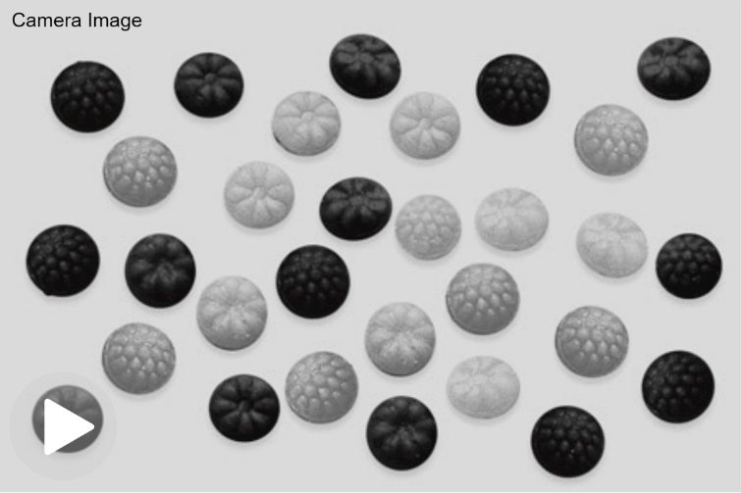

FOV using for calculation

FOV using for calculation

Camera Resolution : Number of pixel across FOV
Example :
Camera Resolution = 1920 x 1080
 | H x V

1080 (V) is selected for camera resolution
FOV

FOV

1920 (H) is selected for camera resolution

